Metrics and Plots
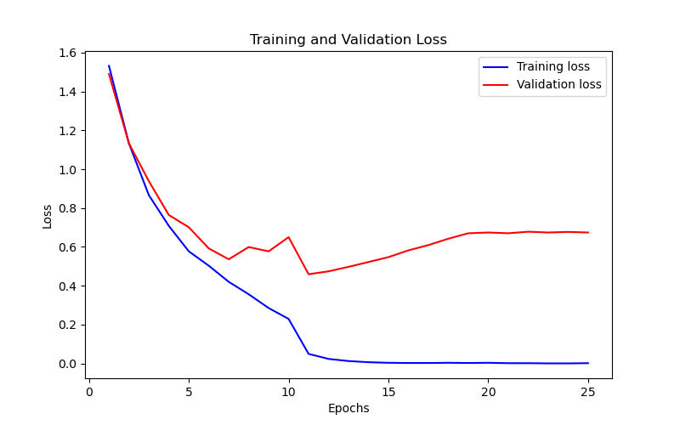
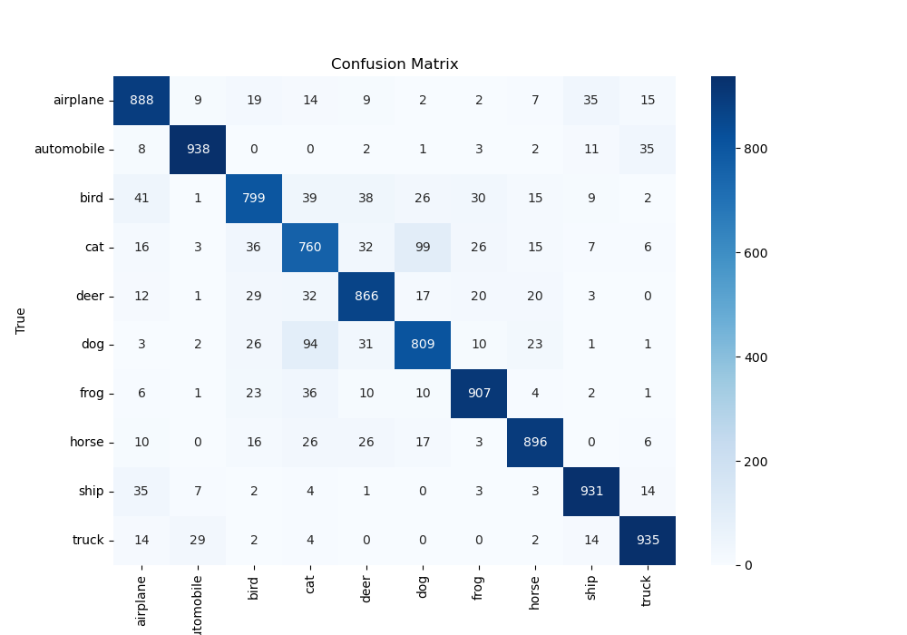
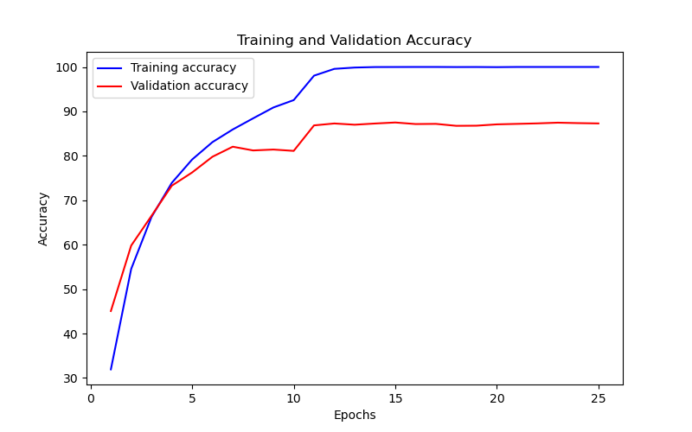
Epoch | Train Accuracy | Train Loss | Validation Accuracy | Validation Loss
1 | 31.93 | 1.532 | 45.06 | 1.49
2 | 54.54 | 1.133 | 59.79 | 1.133
3 | 66.23 | 0.866 | 66.49 | 0.938
4 | 73.92 | 0.708 | 73.28 | 0.764
5 | 79.17 | 0.577 | 76.25 | 0.701
6 | 83.08 | 0.503 | 79.79 | 0.592
7 | 85.93 | 0.42 | 82.05 | 0.536
8 | 88.43 | 0.356 | 81.21 | 0.599
9 | 90.88 | 0.285 | 81.41 | 0.577
10 | 92.54 | 0.229 | 81.11 | 0.65
11 | 98.04 | 0.049 | 86.85 | 0.459
12 | 99.57 | 0.023 | 87.28 | 0.474
13 | 99.87 | 0.012 | 87 | 0.497
14 | 99.98 | 0.006 | 87.27 | 0.522
15 | 99.99 | 0.003 | 87.5 | 0.547
16 | 100 | 0.002 | 87.15 | 0.582
17 | 100 | 0.002 | 87.19 | 0.609
18 | 99.98 | 0.003 | 86.75 | 0.642
19 | 99.99 | 0.002 | 86.78 | 0.67
20 | 99.96 | 0.003 | 87.08 | 0.674
21 | 100 | 0.001 | 87.19 | 0.67
22 | 100 | 0.001 | 87.3 | 0.678
23 | 100 | 0 | 87.46 | 0.674
24 | 100 | 0 | 87.36 | 0.677
25 | 100 | 0.001 | 87.29 | 0.674

